Investigation #5 pg275
Classwork: |  |  |  |  |  | Score:
 | Answer the questions in writing below.
 | Investigation #5 pg275

1) | Use this Desmos link to fit a line to the data "by hand" |  |  |  |  | https://www.desmos.com/calculator/thq0jrxmy2
 | Copy/paste an image of your graph to this sheet

 |  | Given the age, x, of a person and the number of movies, y, they watched last year.

 |  | x | 15 | 20 | 24 | 25 | 30 | 35 | 40 | 45 | 46 | 50
 |  | y | 8 | 7 | 10 | 9 | 15 | 14 | 15 | 17 | 15 | 20

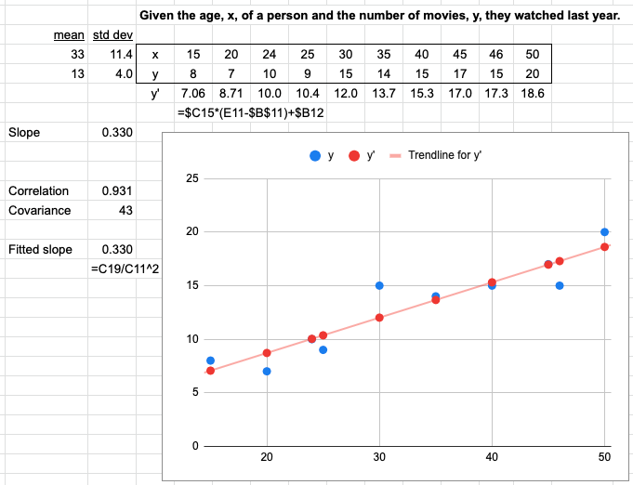
 | Solution:

